Instructions
The Balanced Wheel of life
This is a simple tool to help you evaluate your own life, how it is and how you want it to be. Each spoke on the wheel has 10 points, first rate each area of your life, based on the categories around the wheel (you can change these if you think others are more suitable) from 1 to 5. Mark the appropriate point where the circle meets the dotted line, working from the middle outwards. If you score 5 on all areas your life is perfectly balanced and exactly how you want it! Now join up the pointers to find out what your wheel looks like. Draw your wheel now, you can update this as often as you want. | 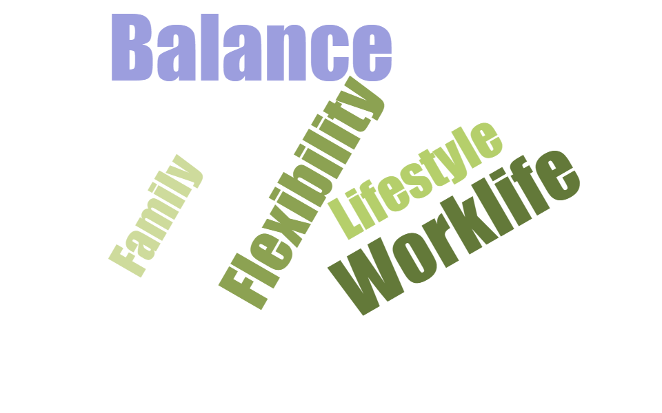
Note: This tool is for individual assessment only. This tool is not designed for managers to assess employees and use it for personal development report, probationary report, etc.

Ask yourself: • Why are some areas of your life scoring more highly than others? • What would you like to change? • What are you prepared to do to get the life you want? • How could you bring your life into balance? • When do you want to achieve this by? The next exercise on Goals will help you define what you really want, by when and how you can get it.
The Balanced Wheel
In the Balanced Wheel tab, Simply insert a value from 0 - 10 for each category you feel you stand. The center of the wheel representing 0% and the outside circumference representing 100%. The graph will automatically adjust. The graph will show where the adjust could be made to attain a healthy work life balance.

Category
Education
Career Plans & Achievements
Job Satisfaction
Access to & utilization of resources
Organizational Support
Physical Wellness
Legal
Dependent Care
Family
Friends
Vacation & Recreation
House & Home
Finances
Spirituality & Meditation
Pets
Emotional Health
Reference Materials: https://ala-apa.org/wellness/files/2016/06/work-life-balance-toolkit.pdf

The Balanced Wheel
Balance Chart
Cateogry | Score
Dependent Care | 2
House & Home | 9
Vacation & Recreation | 10
Finances | 10
Pets | 9
Legal | 9
Education | 8
Emotional Health | 10
Career Plans & Achievements | 10
Physical Wellness | 5
Friends | 9
Organizational Support | 9
Job Satisfaction | 10
Spirituality & Meditation | 10
Family | 10
Access to & utilization of resources | 9

